CYLINDER
Row Labels | Sum of Cylinders
Bmw | 202
Honda | 236
Hyundai | 460
Land Rover Rover | 172
CYLINMDER COUNT
Mahindra | 378
Maruti Suzuki | 546
Skoda | 172
Tata | 320
Toyota | 332
(blank) | 447
Grand Total | 3265

SALES COUNT
Row Labels | Count of Ex-Showroom_Price
Aston Martin | 3
Audi | 31
Bajaj | 2
Bentley | 6
Bmw | 37
SALES COUNT
Bugatti | 2
Datsun | 15
Dc | 1
Ferrari | 8
Fiat | 23
Force | 6
Ford | 43
Honda | 64
Hyundai | 130
Icml | 11
Isuzu | 5
Jaguar | 22
Jeep | 28
Kia | 21
Lamborghini | 13
Land Rover | 10
Land Rover Rover | 27
Lexus | 10
Mahindra | 119
Maruti Suzuki | 149
Maruti Suzuki R | 14
Maserati | 9
Mg | 13
Mini | 10
Mitsubishi | 7
Nissan | 29
Porsche | 14
Premier | 6
Renault | 36
Skoda | 43
Tata | 100
Toyota | 82
Volkswagen | 34
Volvo | 18
Grand Total | 1201

FUEL CAPACITY
Sum of Cylinders | Column Labels
Row Labels | 41 litres | 42 litres | 44 litres | 45 litres | 52 litres | 70 litres | 78 litres | 80 litres | 86 litres | (blank) | Grand Total
458 Spider |  |  |  |  |  |  |  |  | 8 |  | 8
488 Gtb |  |  |  |  |  |  | 16 |  |  |  | 16
Convertible |  |  | 4 |  |  |  |  |  |  |  | 4
Ertiga |  |  |  | 40 |  |  |  |  |  |  | 40
Mercedes-Benz S-Class Cabriolet |  |  |  |  |  |  |  | 8 |  |  | 8
Micra | 14 |  |  |  |  |  |  |  |  |  | 14
Range Evoque Convertible |  |  |  |  |  |  |  |  |  | 4 | 4
Xuv500 |  |  |  |  |  | 84 |  |  |  |  | 84
Yaris |  | 56 |  |  |  |  |  |  |  |  | 56
Z4 Roadster |  |  |  |  | 10 |  |  |  |  |  | 10
Zs Ev
Grand Total | 14 | 56 | 4 | 40 | 10 | 84 | 16 | 8 | 8 | 4 | 244

FUEL CAPACITY
 | 41 litres | 42 litres | 44 litres | 45 litres | 52 litres | 70 litres | 78 litres | 80 litres | 86 litres | (blank)
458 Spider |  |  |  |  |  |  |  |  | 8
488 Gtb |  |  |  |  |  |  | 16
Convertible |  |  | 4
Ertiga |  |  |  | 40
Mercedes-Benz S-Class Cabriolet |  |  |  |  |  |  |  | 8
Micra | 14
Range Evoque Convertible |  |  |  |  |  |  |  |  |  | 4
Xuv500 |  |  |  |  |  | 84
Yaris |  | 56
Z4 Roadster |  |  |  |  | 10
Zs Ev

DASHBOARD
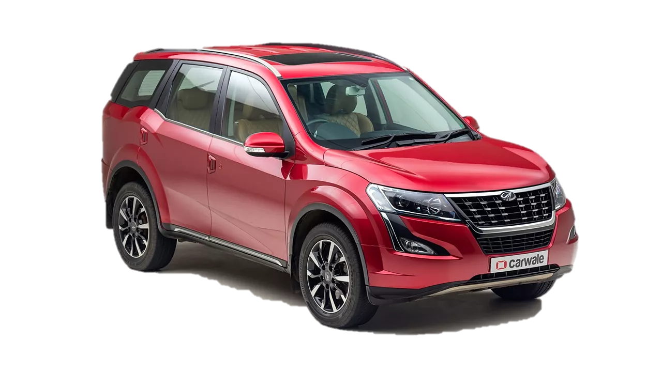
CAR SALES DASHBOARD

FUEL CAPACITY
 | 41 litres | 42 litres | 44 litres | 45 litres | 52 litres | 70 litres | 78 litres | 80 litres | 86 litres | (blank)
458 Spider |  |  |  |  |  |  |  |  | 8
488 Gtb |  |  |  |  |  |  | 16
Convertible |  |  | 4
Ertiga |  |  |  | 40
Mercedes-Benz S-Class Cabriolet |  |  |  |  |  |  |  | 8
Micra | 14
Range Evoque Convertible |  |  |  |  |  |  |  |  |  | 4
Xuv500 |  |  |  |  |  | 84
Yaris |  | 56
Z4 Roadster |  |  |  |  | 10
Zs Ev
CYLINDER COUNT
 | Total
Bmw | 202
Honda | 236
Hyundai | 460
Land Rover Rover | 172
Mahindra | 378
Maruti Suzuki | 546
Skoda | 172
Tata | 320
Toyota | 332
(blank) | 447

seller

SALES COUNT
 | Total
Aston Martin | 3
Audi | 31
Bajaj | 2
Bentley | 6
Bmw | 37
Bugatti | 2
Datsun | 15
Dc | 1
Ferrari | 8
Fiat | 23
Force | 6
Ford | 43
Honda | 64
Hyundai | 130
Icml | 11
Isuzu | 5
Jaguar | 22
Jeep | 28
Kia | 21
Lamborghini | 13
Land Rover | 10
Land Rover Rover | 27
Lexus | 10
Mahindra | 119
Maruti Suzuki | 149
Maruti Suzuki R | 14
Maserati | 9
Mg | 13
Mini | 10
Mitsubishi | 7
Nissan | 29
Porsche | 14
Premier | 6
Renault | 36
Skoda | 43
Tata | 100
Toyota | 82
Volkswagen | 34
Volvo | 18

